HSE action plan
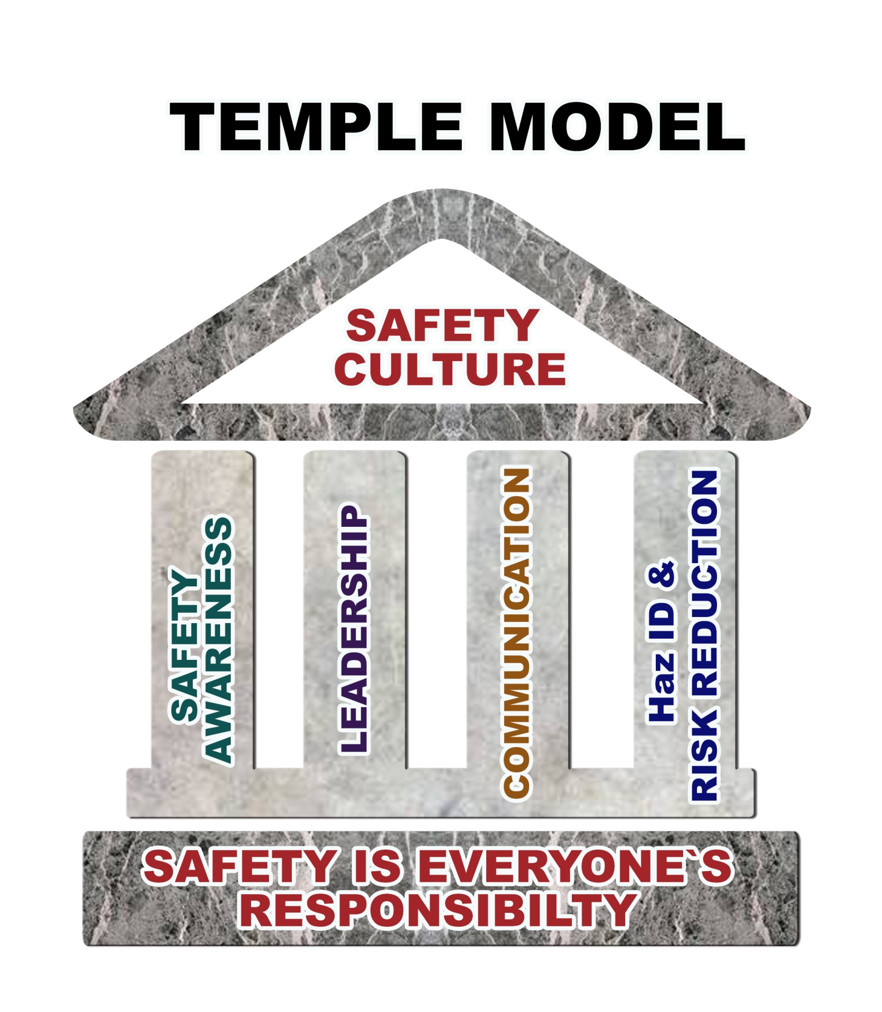
OBJECTIVES | Responsible | Timing at OT |  | Timings in UB
 |  | Start Date | End Date | Start Date | End Date
SAFETY AWARENESS PROGRAM
HazID & Risk Management training | G, Safety team and TMTI |  |  | 20-Feb-14 | Scheduled
Company Safety Induction (based on SMS Safety Orientation program) |  |  |  | 10-Apr-14 | Scheduled
Job Hazard Analysis training |  |  |  | 10-Apr-14 | Scheduled
Take 5 training |  |  |  | 10-Apr-14 | Scheduled
Workplace Inspection Training |  |  |  | 10-Apr-14 | Scheduled
Incident investigation training |  |  |  | 20-Feb-14 | Scheduled
Incident reporting training
- Develop presentation |  |  |  | 3-Feb-14 | 8-Feb-14
- Review and approve by Directors |  |  |  | 9-Feb-14 | 14-Feb-14
- Schedule the training and approve by Managers |  |  |  | 15-Feb-14 | 18-Feb-14
- Make practical training |  |  |  | 20-Feb-14 | Every month
- Sign off sheets to be scanned to P drive and attendance will be marked at Training matrix |  |  |  | After training | After training
LEADERSHIP PROGRAM
Visible leadership by example | G
- Provide OHSE leadership training for supervisors and OHSE staffs |  |  |  | 20-Feb-14 | Every month
- Set KPI for supervisors and OHSE staffs |  |  |  | 1-Mar-14 | 9-Mar-14
- KPI shall be reviewed and approved by Directors |  |  |  | 10-Mar-14 | 19-Mar-14
- Inform to all supervisors about KPI |  |  |  | 20-Mar-14 | 1-Apr-14
- Measure performances of supervisors against KPI |  |  |  | Before annual KPI review
- Develop leadership matrix as poster |  |  |  | 5-Apr-14 | 10-Apr-14
COMMUNICATION
Pre-start meeting - Improve quality | G, Tsogtbayar, Nanjidsuren and Bat-Ireedui
- Random employees will run the pre-start safety talks |  |  |  | Daily | Daily
- Mentor employees how to run pre-start meeting the day before for 30min |  |  |  | Daily | Daily
- Provide usefull materials which will be used at Pre-start talk |  |  |  | Daily | Daily
- More practical examples will be discussed at Pre-start talk |  |  |  | Daily | Daily
Weekly meeting - Support the meeting
- Improve communication between departments |  |  |  | Weekly | Weekly
- Improve initiatives of weekly meeting members |  |  |  | Weekly | Weekly
JOSHC meeting - Utilize the meeting
- Improve member's knowledge |  |  |  | Monthly | Monthly
- Utilize the meeting |  |  |  | Monthly | Monthly
- OHSE Manager shows leadership at the meeting and arranges it properly |  |  |  | Monthly | Monthly
HAZID AND RISK REDUCTION PROGRAM
Total Recordable Injury Frequency Rolling 12 months
 | TRIFR | 2014 Target
Dec, 2013 | 0.81 | 0.73
Jan, 2014 | 1.07 | 0.73
Feb, 2014
Mar, 2014
Apr, 2014
May, 2014
Jun, 2014
Jul, 2014
Aug, 2014
Sep, 2014
Oct, 2014
Nov, 2014
Dec, 2014
Take 5 book | G and Tsogtbayar
- Develop book |  |  |  | 1-Jan-14 | Completed
- Review and approve by Directors |  |  |  | 30-Jan-14 | Completed
- Get published |  |  |  | 10-Feb-14 | 7-Mar-14
- Prepare to give the books to employees after Take 5 training |  |  |  | 9-Mar-14 | 1-Apr-14
Job Hazard Analysis template
- Develop the template |  |  |  | 1-Feb-14 | 10-Feb-14
- Review and approve by Directors |  |  |  | 11-Feb-14 | 28-Feb-14
- Print out |  |  |  | 5-Mar-14 | 6-Mar-14
- Be handy for employees |  |  |  | 7-Mar-14 | 10-Mar-14
Workplace Inspection template
- Develop |  |  |  | 30-Jan-14 | 5-Feb-14
- Review and approve by Directors |  |  |  | 11-Feb-14 | 28-Feb-14
- Print out |  |  |  | 5-Mar-14 | 6-Mar-14
- Be handy for employees |  |  |  | 7-Mar-14 | 10-Mar-14
Hazard report sheet
- Develop Hazard report sheet |  |  |  | 5-Feb-14 | 6-Feb-14
Lost Time Injury Frequency Rolling 12 months
 | LTIFR | 2014 Target
Dec, 2013 | 0.27 | 0
Jan, 2014 | 0 | 0
Feb, 2014
Mar, 2014
Apr, 2014
May, 2014
Jun, 2014
Jul, 2014
Aug, 2014
Sep, 2014
Oct, 2014
Nov, 2014
Dec, 2014
- Review and approve by Directors |  |  |  | 7-Feb-14 | 12-Feb-14
- Get published within Take 5 book |  |  |  | 10-Feb-14 | 7-Mar-14
- Prepare to give the books to employees after HazID & Risk Management training |  |  |  | 9-Mar-14 | 1-Apr-14
Remedial Action Tracking System
- Develop RATS system |  |  |  | 1-Jan-14 | Completed
- Review and approve by Directors |  |  |  | 10-Jan-14 | Completed
- Run the system for chasing up corrective actions raised from WPI, Incident Reports, Reported Hazards and JHA |  |  |  | 20-Jan-14 | Completed
REDUCE ALCOHOL & DRUGS AT WORKPLACE
Educate the employees | Committee against Alcohol Control by: Safety team |  |  | 2/30/2014 | 2/30/2014
- Prepare presentation for educational program and small presentation for toolbox talk |  |  |  | 2/30/2014 | 2/30/2014
- Present the educational materials and generate discussion about Danger of Alcohol |  |  |  | 2/30/2014 | 2/30/2014
- Enforce workplace control on Breath test |  |  |  | For a year
APPROVED JOHSC COMMITTEE
We have JOHS Committee which meets with resolution #126 of Labor ministry | Borgil |  |  | 1-Mar-14 | 5-Mar-14
Organizing the Committee meetings and feedbacks |  |  |  | For a year
Chase up the corrective actions and drive to effective results |  |  |  | For a year
ELECTRONIC MSDS SOFTWARE
Search competitive software MSDS (Chemwatch) that meet with our operation | G, JC and Larry Advise with all directors and managers |  |  | Completed | Completed
Severity Rate Rolling 12 months
 | SR | 2014 Target
Dec, 2013 | 2.16 | 1.95
Jan, 2014 | 0 | 1.95
Feb, 2014
Mar, 2014
Apr, 2014
May, 2014
Jun, 2014
Jul, 2014
Aug, 2014
Sep, 2014
Oct, 2014
Nov, 2014
Dec, 2014
Get approval from Directors |  |  |  | Completed | Completed
Be trained to use the softwares and establish properly |  |  |  | Completed | Completed
HSE POLICIES AND PROCEDURES TO DEVELOP
TM UB facilities Emergency Response Plan | Bat-Ireedui |  |  | 1-Mar-14 | 1-Apr-14
OHSE EMPLOYEE DEVELOPMENT
Arrange Safety Coordinators skill development training | G, JC, Larry, Brett, Stephen and Amanda |  |  | 1-Jan-14 | 30-Jan-14
Train OHSE staffs for professional trainings to improve their skill:
- Cert IV course for Safety coordinators by ITC LLC |  |  |  | 1-Mar-14 | 15-Mar-14
- Safety officer and Committee member training by OSHMI |  |  |  | 1-Feb-14 | 1-May-14
WORKPLACE EVALUATION BY HEALTH CENTER
TM workplaces will be evaluated by Health center | Nanjidsuren |  |  | 1-Oct-14 | 15-Oct-14
SAFETY INTERNAL AUDIT SYSTEM
Research of SMS safety audit system (COR) to determine suitibilty to TM | Tsogtbayar |  |  | 1-Nov-14 | 10-Nov-14
Research Mongolian Government safety audit requirements for suitibilty to TM |  |  |  | 10-Nov-14 | 20-Nov-14
Develop first draft of TM internal audit system for review by Directors |  |  |  | 20-Nov-14 | 30-Nov-14
Compile the internal audit against SMS and Mongolian audit requirements and report |  |  |  | 5-Dec-14 | 25-Dec-14
KPI in 2014 per 200.000 exposure hours
Lost Time Injury = 0
Total Recordable Injury Frequency < 0.73
Severity Rate < 1.94

